FY17 Operating Budget Graphics
Framingham State University (FSU)
Fiscal Year (FY) 2017 Operating Budget

FY17 Operating Revenue
 | Student Tuition/Fees | State Provided | Auxillary Services | Grants & Miscellaneous
 | 41654660 | 38544000 | 21971743 | 4700054
FY17 Operating Expenses
 | Salaries & Benefits | Debt Service | Supplies & Services | Facilities Operations, Maintenance & Utilities | Auxillary/Student Food Service | Student Aid/Waivers/Entitlements
Student Aid/Waivers/Entitlements | 63621687 | 14269526 | 11010342 | 9455873 | 6480000 | 3275895
3275895
FY17 Salaries and Benefits by Function (FY17 Budget allocated based upon FY15 IPEDS Actuals)
 | Instructional | Student Services | Academic Support | Institutional Support | Operations & Maintenance of Plant | Research
 | 33121450.252 | 9021555 | 8652549 | 6890229 | 5802298 | 133606

FY17 Fin Aid + Capital Budgets
Framingham State University (FSU)
Fiscal Year (FY) 2017 Financial Aid and Capital Budget

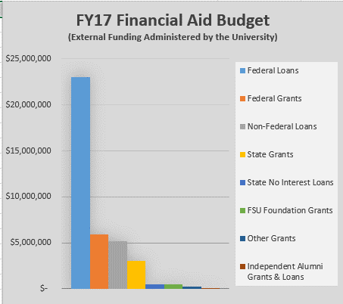
 | Framingham State University Students:
 | Thank a Taxpayer…

 | FY2017 Projected Operational Costs

 | Aggregate Cost of Education (Operations) - Per Student Per Year | $19,740
 | State Operating Subsidy - Per Student | ($9,300)
 | Other Revenues (e.g. Grants; Investments) - Per Student | ($1,100)
 | Tuition and Fees - Per Student (equates to 47% of Cost of Education Total) | $9,340

FY17 Capital Budget
 | MSCBA Funding | DCAMM Funding | College Funding | College Financing
 | 18820000 | 7080000 | 1100000 | 1000000

